AKASH
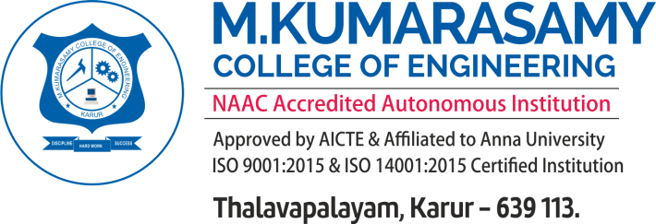
Format No: ACD21_F_04
Issue : 01
Issue date : 03.10.2017

DEPARTMENT OF TRAINING AND PLACEMENT
ACADEMIC YEAR 2022 - 2023
TECHNICAL MOCK INTERVIEW EVALUATION SHEET
2023 Graduating out
DEPT / SEC : ECE/D |  |  |  |  |  |  | DATE & DAY : 25-09-2022 & SUNDAY
INTERVIEWER NAME & DESIGNATION :
S.No | Reg No | Name | Self Intro (10) | Resume (10) | Domain skills (10) | Coding skills (10) | Language Fluency(5) | Knowing about the company(5) | Total(50) | Feedback / Remarks
1 | 19BEC4208 | SRIRAM S | 9 | 9 | 9 | 9 | 4 | 0 | 40 | Everthing is Good
2 | 19BEC4210 | SUGUMAR S | 9 | 9 | 8 | 9 | 4 | 2 | 41 | Strong in technical part but he's not confident in his answers
3 | 19BEC4230 | VEERADHARSHINI R | 9 | 9 | 7 | 5 | 4 | 3 | 37 | Need to improve technical skills
4 | 19BEC4197 | SNEHA | 9 | 9 | 5 | 8 | 4 | 2 | 37 | She's not confident in her answers
5

Interviewer Sign |  |  |  | Placement Incharge |  |  |  | HoD

